Question
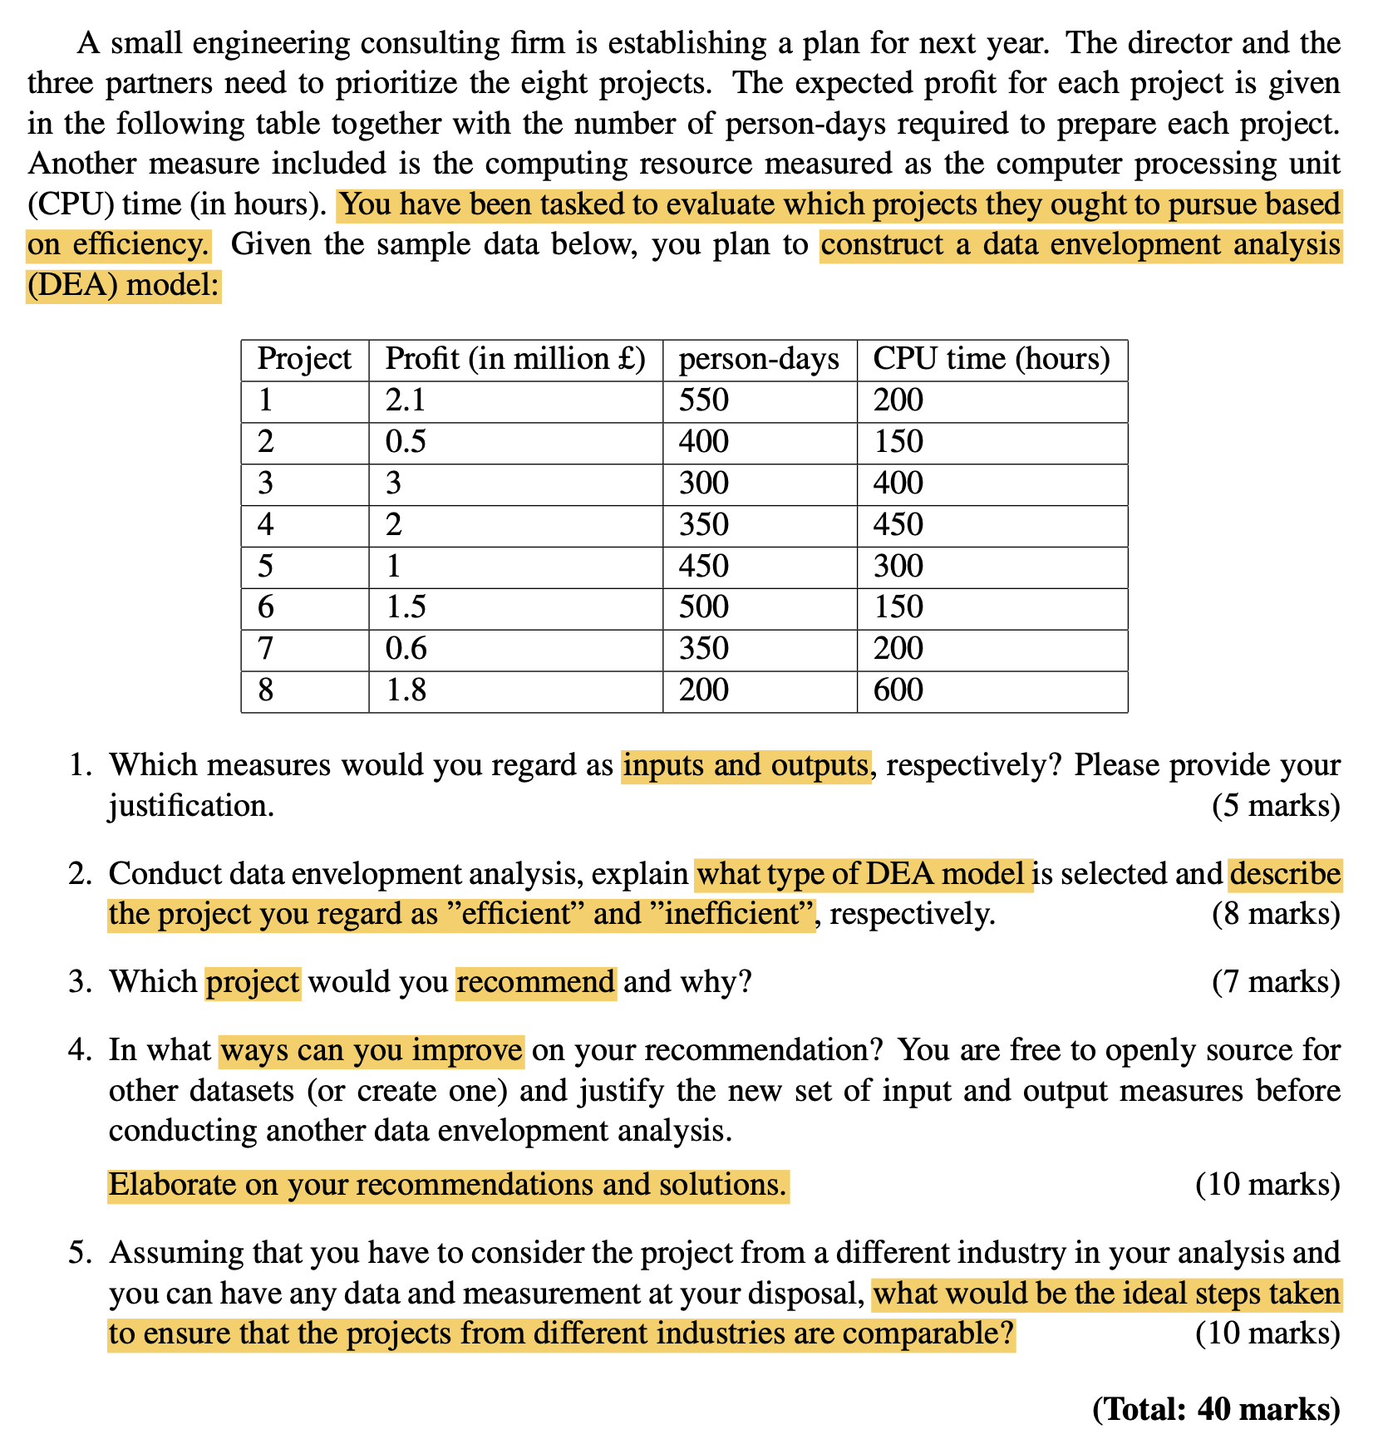

DEA Model
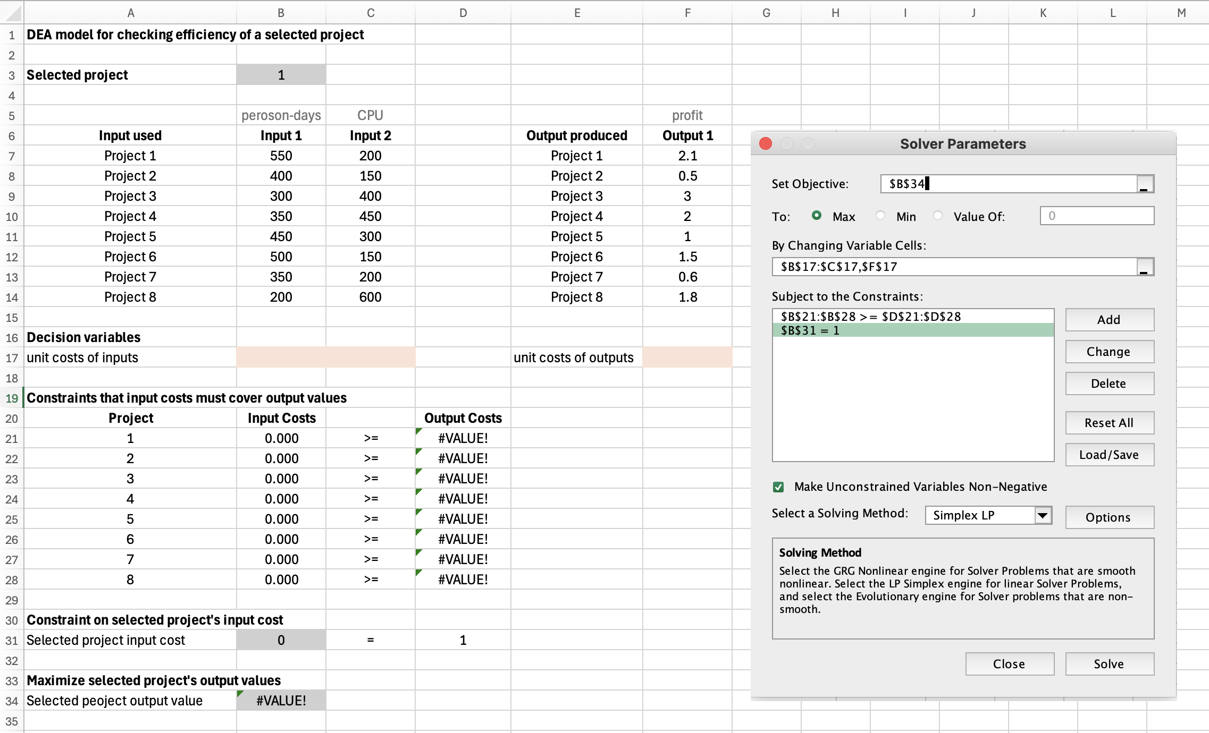
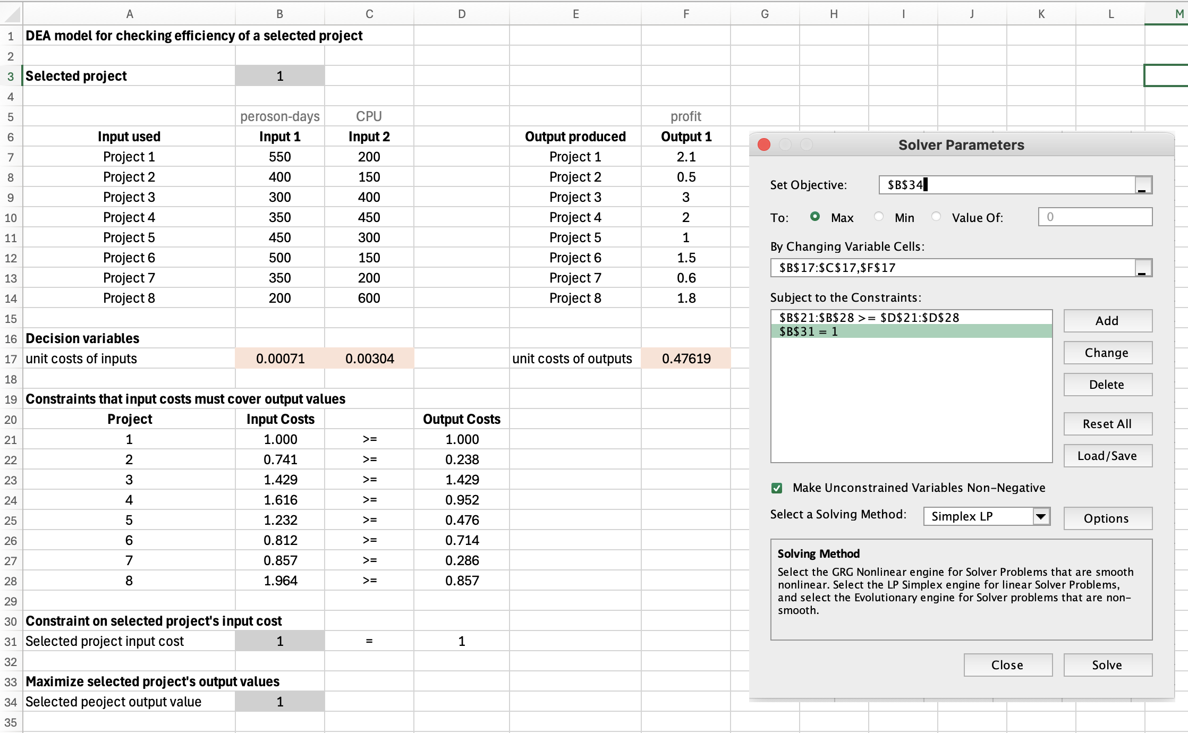
DEA model for checking efficiency of a selected project

Selected project | 1

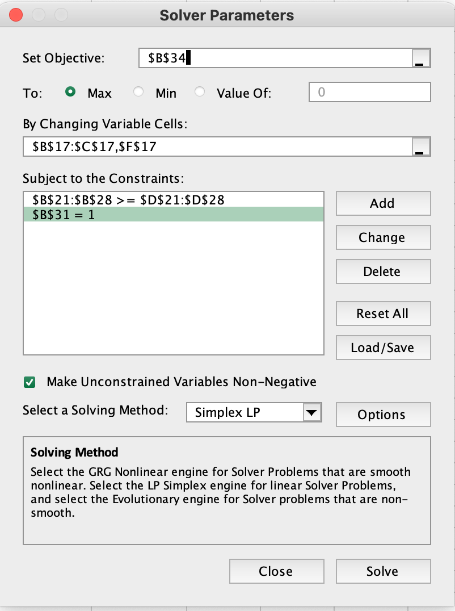
 | peroson-days | CPU |  |  | profit
Input used | Input 1 | Input 2 |  | Output produced | Output 1
Project 1 | 550 | 200 |  | Project 1 | 2.1
Project 2 | 400 | 150 |  | Project 2 | 0.5
Project 3 | 300 | 400 |  | Project 3 | 3
Project 4 | 350 | 450 |  | Project 4 | 2
Project 5 | 450 | 300 |  | Project 5 | 1
Project 6 | 500 | 150 |  | Project 6 | 1.5
Project 7 | 350 | 200 |  | Project 7 | 0.6
Project 8 | 200 | 600 |  | Project 8 | 1.8

Decision variables
unit costs of inputs | 0.00071 | 0.00304 |  | unit costs of outputs | 0.47619

Constraints that input costs must cover output values
Project | Input Costs |  | Output Costs
1 | 1.000 | >= | 1.000
2 | 0.741 | >= | 0.238
3 | 1.429 | >= | 1.429
4 | 1.616 | >= | 0.952
5 | 1.232 | >= | 0.476
6 | 0.812 | >= | 0.714
7 | 0.857 | >= | 0.286
8 | 1.964 | >= | 0.857

Constraint on selected project's input cost
Selected project input cost | 1 | = | 1

Maximize selected project's output values
Selected peoject output value | 1

STS_1
Oneway analysis for Solver model in All project worksheet |  |  | Sensitivity of $B$34 to Selected project

When you select an output from the dropdown list in cell $K$4, the chart will adapt to that output.
Sensitivity of $B$34 to Selected project
Selected project (cell $B$3) values along side, output cell(s) along top |  |  | Data for chart
 | $B$34 | 1 | $B$34
1 | 1 |  | 1
2 | 0.32128514056 |  | 0.32128514056
3 | 1 |  | 1
4 | 0.58931860037 |  | 0.58931860037
5 | 0.38647342995 |  | 0.38647342995
6 | 0.95238095238 |  | 0.95238095238
7 | 0.33333333333 |  | 0.33333333333
8 | 0.9 |  | 0.9

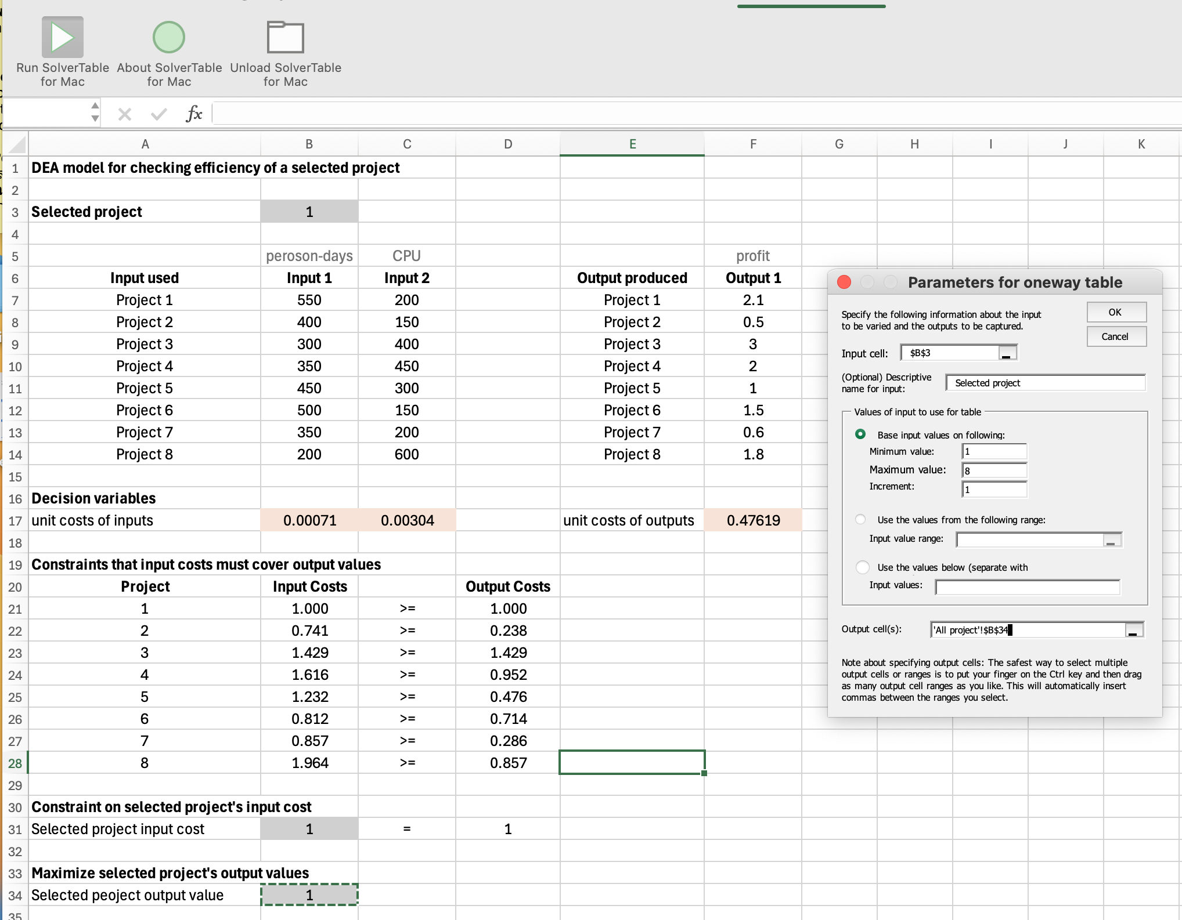

 |  |  |  | Oneway analysis for Solver model in All project worksheet

 |  |  |  | Selected project values along side, output cell(s) along top

 |  |  |  | Project | Output Values
 |  |  |  | 1 | 1
 |  |  |  | 2 | 0.32128514056
 |  |  |  | 3 | 1
 |  |  |  | 4 | 0.58931860037
 |  |  |  | 5 | 0.38647342995
 |  |  |  | 6 | 0.95238095238
 |  |  |  | 7 | 0.33333333333
 |  |  |  | 8 | 0.9

Improvement Q1.4_M1
DEA model for checking efficiency of a selected project

$$x_{1}$$
$$x_{2}$$
Project | Project 1 | Project 2 | Project 3 | Project 4 | Project 5 | Project 6 | Project 7 | Project 8
Peroson-days | 550 | 400 | 300 | 350 | 450 | 500 | 350 | 200
CPU | 200 | 150 | 400 | 450 | 300 | 150 | 200 | 600
$$y$$
Profit | 1 | 1 | 1 | 1 | 1 | 1 | 1 | 1

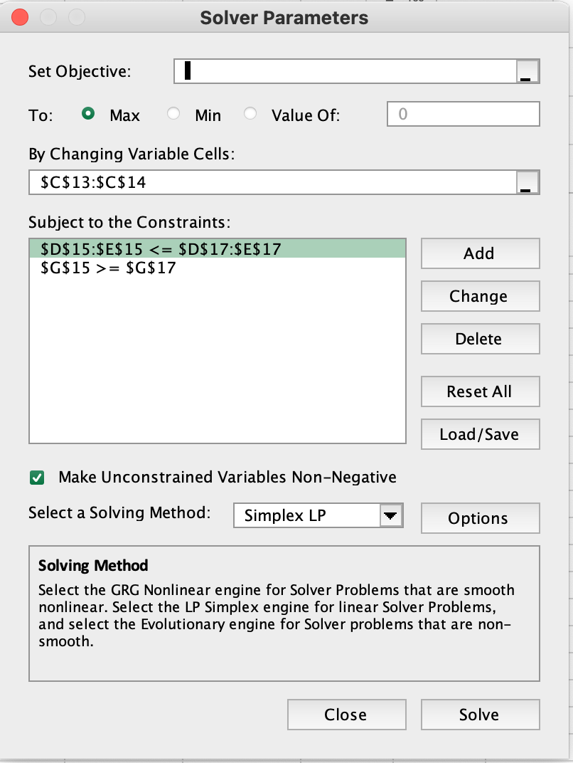
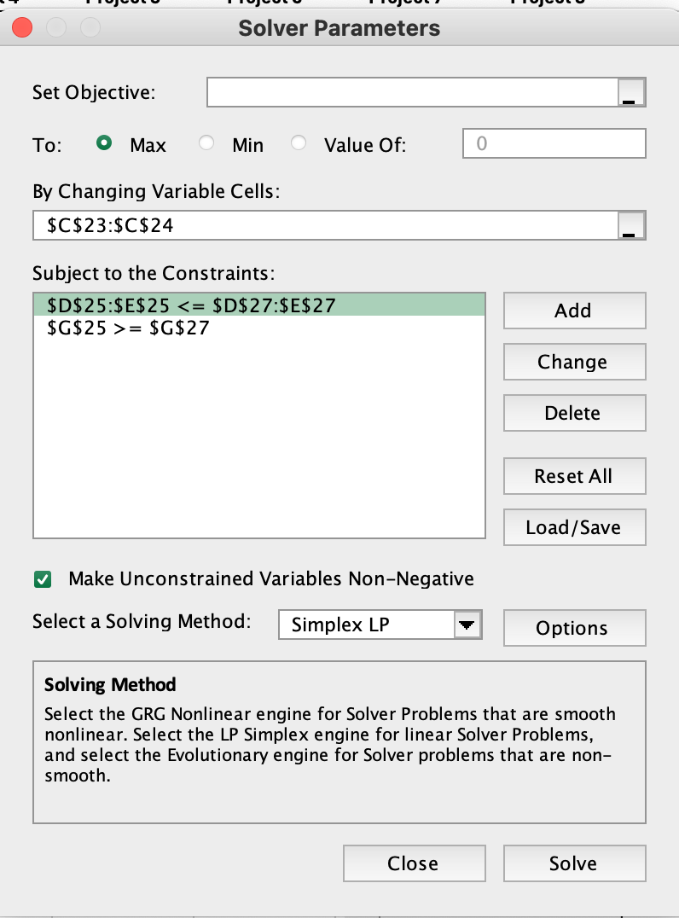
Comparing combination of Project 3 and Project 7 to inefficient Project 4

 | Weights | Input 1 | Input 2 |  | Output 1
Project 3 | 1.0000 | 300 | 400 |  | 1
Project 7 | 0.0000 | 350 | 200 |  | 1
Combination |  | 300.000 | 400.000 |  | 1.000
 |  | <= | <= |  | >=
Project 4 |  | 350 | 450 |  | 1

Comparing combination of Project 3 and Project 7 to inefficient Project 5

 | Weights | Input 1 | Input 2 |  | Output 1
Project 3 | 0.5000 | 300 | 400 |  | 1
Project 7 | 0.5000 | 350 | 200 |  | 1
Combination |  | 325.000 | 300.000 |  | 1.000
 |  | <= | <= |  | >=
Project 5 |  | 450 | 300 |  | 1

Improvement Q1.4_M2
DEA model for checking efficiency of a selected project

Selected project | 1

 | peroson-days | CPU | equipment |  | profit | client review
Input used | Input 1 | Input 2 | Input 3 | Output produced | Output 1 | Output 2
Project 1 | 550 | 200 | 120 | Project 1 | 2.1 | 8
Project 2 | 400 | 150 | 86 | Project 2 | 0.5 | 7.5
Project 3 | 300 | 400 | 115 | Project 3 | 3 | 9
Project 4 | 350 | 450 | 456 | Project 4 | 2 | 6
Project 5 | 450 | 300 | 325 | Project 5 | 1 | 6.5
Project 6 | 500 | 150 | 120 | Project 6 | 1.5 | 7
Project 7 | 350 | 200 | 95 | Project 7 | 0.6 | 8
Project 8 | 200 | 600 | 130 | Project 8 | 1.8 | 6.5

Decision variables
unit costs of inputs | 0.00099 | 0.00229 | 0.00000 | unit costs of outputs | 0.13605 | 0.08929

Constraints that input costs must cover output values
Project | Input Costs |  | Output Costs
1 | 1.000 | >= | 1.000
2 | 0.738 | >= | 0.738 | SolverTable
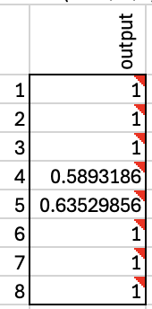
3 | 1.212 | >= | 1.212
4 | 1.376 | >= | 0.808
5 | 1.130 | >= | 0.716
6 | 0.836 | >= | 0.829
7 | 0.803 | >= | 0.796
8 | 1.571 | >= | 0.825

Constraint on selected project's input cost
Selected project input cost | 1 | = | 1

Maximize selected project's output values
Selected peoject output value | 1

STS_2
Oneway analysis for Solver model in Improvement Q1.4_M2 worksheet |  |  | Sensitivity of $B$34 to Project selected

When you select an output from the dropdown list in cell $K$4, the chart will adapt to that output.
Project selected (cell $B$3) values along side, output cell(s) along top |  |  | Data for chart
 | output | #N/A | $B$34
1 | 1 |  | #N/A
2 | 1 |  | #N/A
3 | 1 |  | #N/A
4 | 0.58931860037 |  | #N/A
5 | 0.63529856387 |  | #N/A
6 | 1 |  | #N/A
7 | 1 |  | #N/A
8 | 1 |  | #N/A
Sensitivity of $B$34 to Project selected

Q1.5 diff industry
DEA model for checking efficiency of different systems/industries
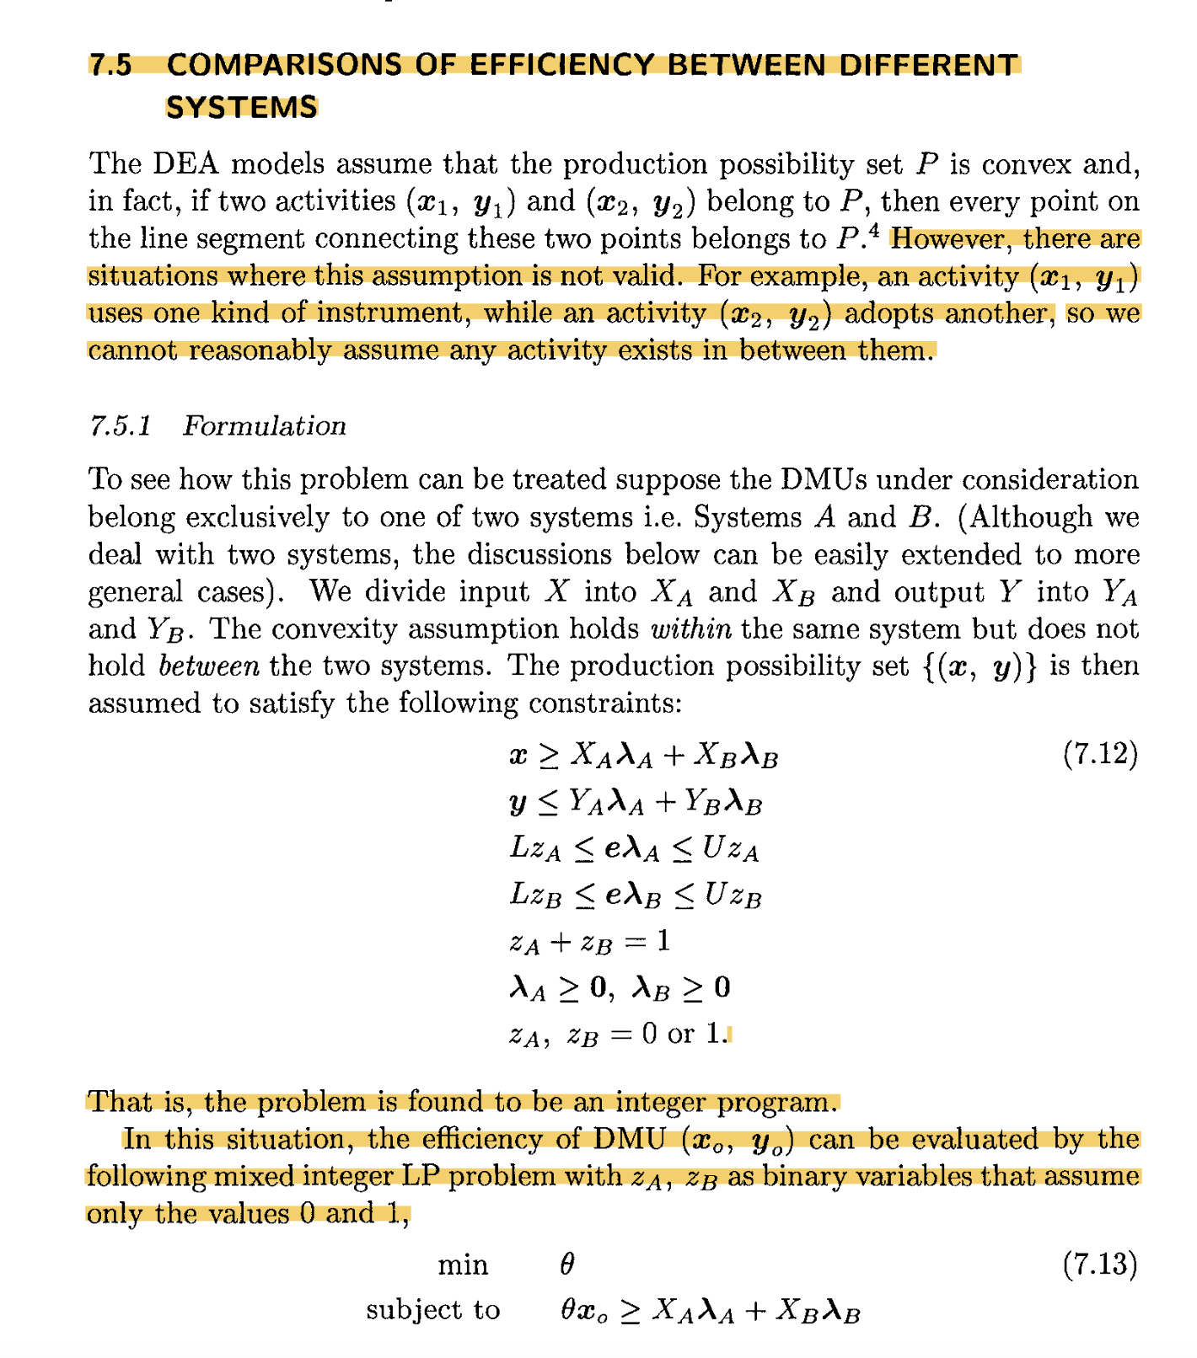
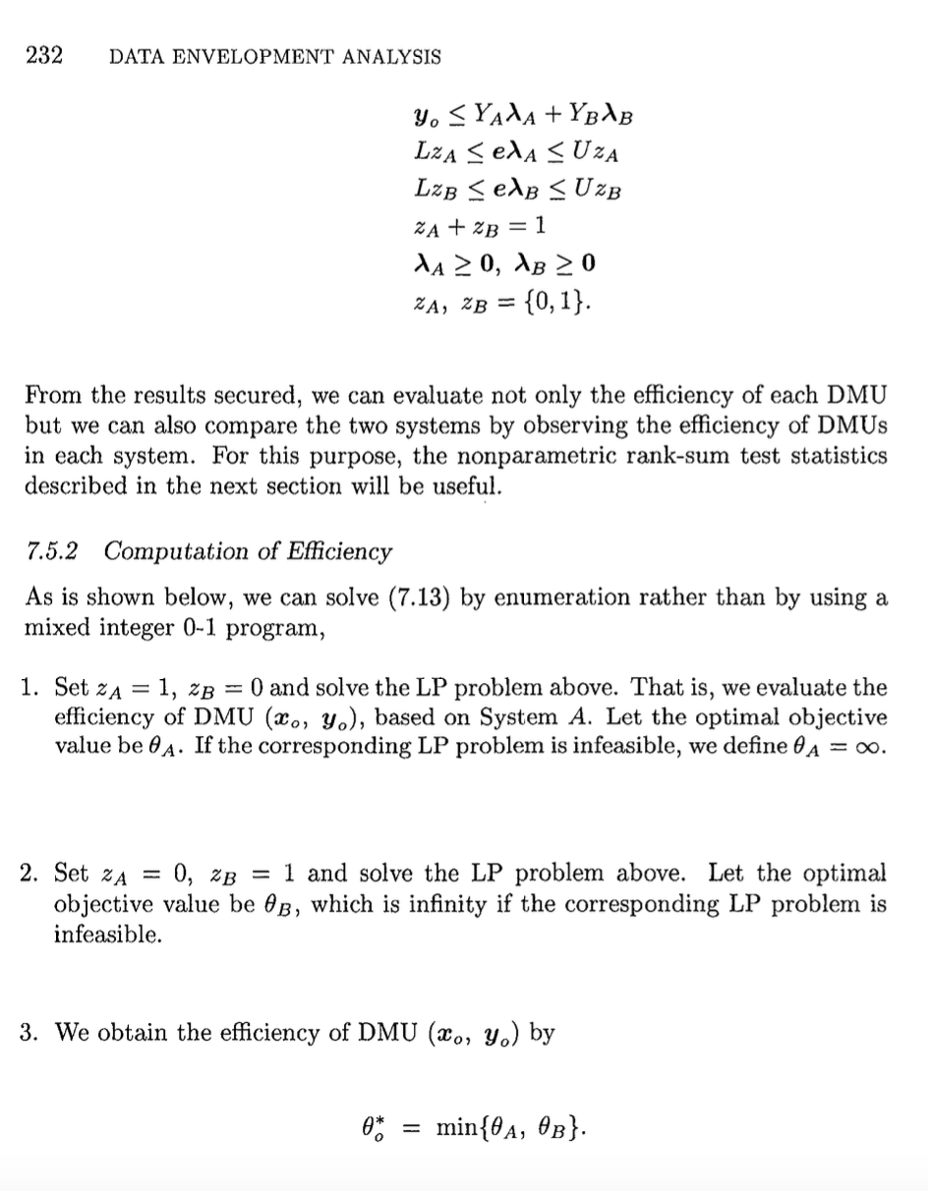
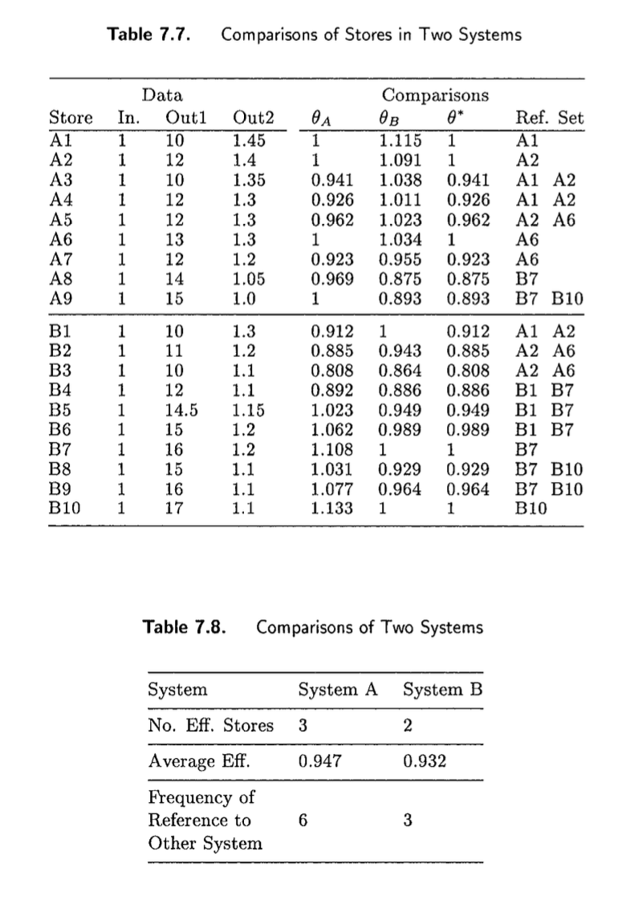
Selected industry | 2

Original inputs/outputs | Capital | Labour Hours | Time (month) |  | NPV | ROI
Input used | Input 1 | Input 2 | Input 2 | Output produced | Output 1 | Output 1
Industry 1 | 200 | 35 | 120 | Industry 1 | 4.5 | 3.0
Industry 2 | 350 | 20 | 111 | Industry 2 | 16.0 | 12.0
Transform to binary data (0,1)
Transform to binary data (0,1)
Standardized inputs/outputs | Capital | Labour Hours | Time (month) |  | NPV | ROI
Input used | Input 1 | Input 2 | Input 2 | Output produced | Output 1 | Output 1
Industry 1 | 1.0 | 0.0 | 1.0 | Industry 1 | 1.0 | 0.0
Industry 2 | 1.0 | 1.0 | 0.0 | Industry 2 | 0.0 | 1.0

Decision variables
unit costs of inputs | 1.00000 | 0.00000 | 0.00000 | unit costs of outputs | 0.00000 | 1.00000

Constraints that input costs must cover output values
Industry | Input Costs |  | Output Costs
1 | 1.000 | >= | 0.000
2 | 1.000 | >= | 1.000

Constraint on selected industry's input cost
Selected industry input cost | 1 | = | 1

Maximize selected industry's output values
Selected industry output value | 1

